Sheet1
 |  | Document No. | Issue No. | Issue Date |  | Review and Replace Date |  | Authorised By
 |  | GFF434MC | 1 | 22.04.2024 |  | New doc
 |  | Document Title | 4 Vegetable Spring Rolls 200g
 |  |  |  |  |  |  |  | Magda Shah
Document amendments reason for change |  | New Launch | Page 1 of 1 |  | Previous Issue Date |  | New doc | Uncontrolled copy unless signed original

FVSRM-R6T | Gazebo-Oakhouse |  | 4 Vegetable Spring Rolls 200g

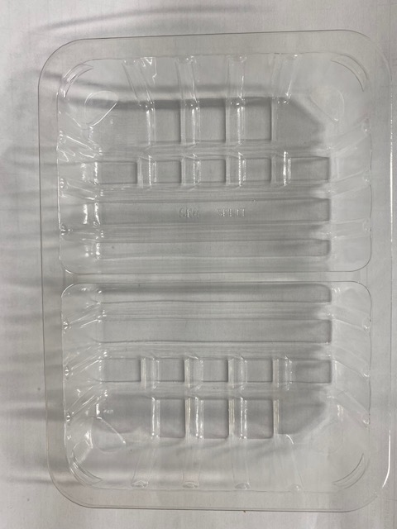 |  |  |  |  | 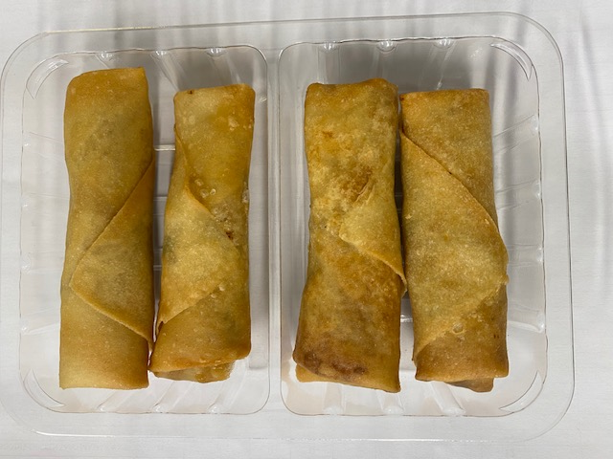

PACK DAY + 1 YEAR

Tray: SK4 Split Clear (PKESS001-06) |  |  |  |  | Vegetable Spring Roll (GFF114R) 50g: 4 pieces
Film: K-peel 7G+25A/f-275mm (PKKMP001-03) |  |  |  |  | Total Weight: 200g
ALLERGY ALERT: SOYA, WHEAT

